Safety Mgmt Reference
 | STATUS OF EVENT |  | RISK CLASS |  |  |  |  | 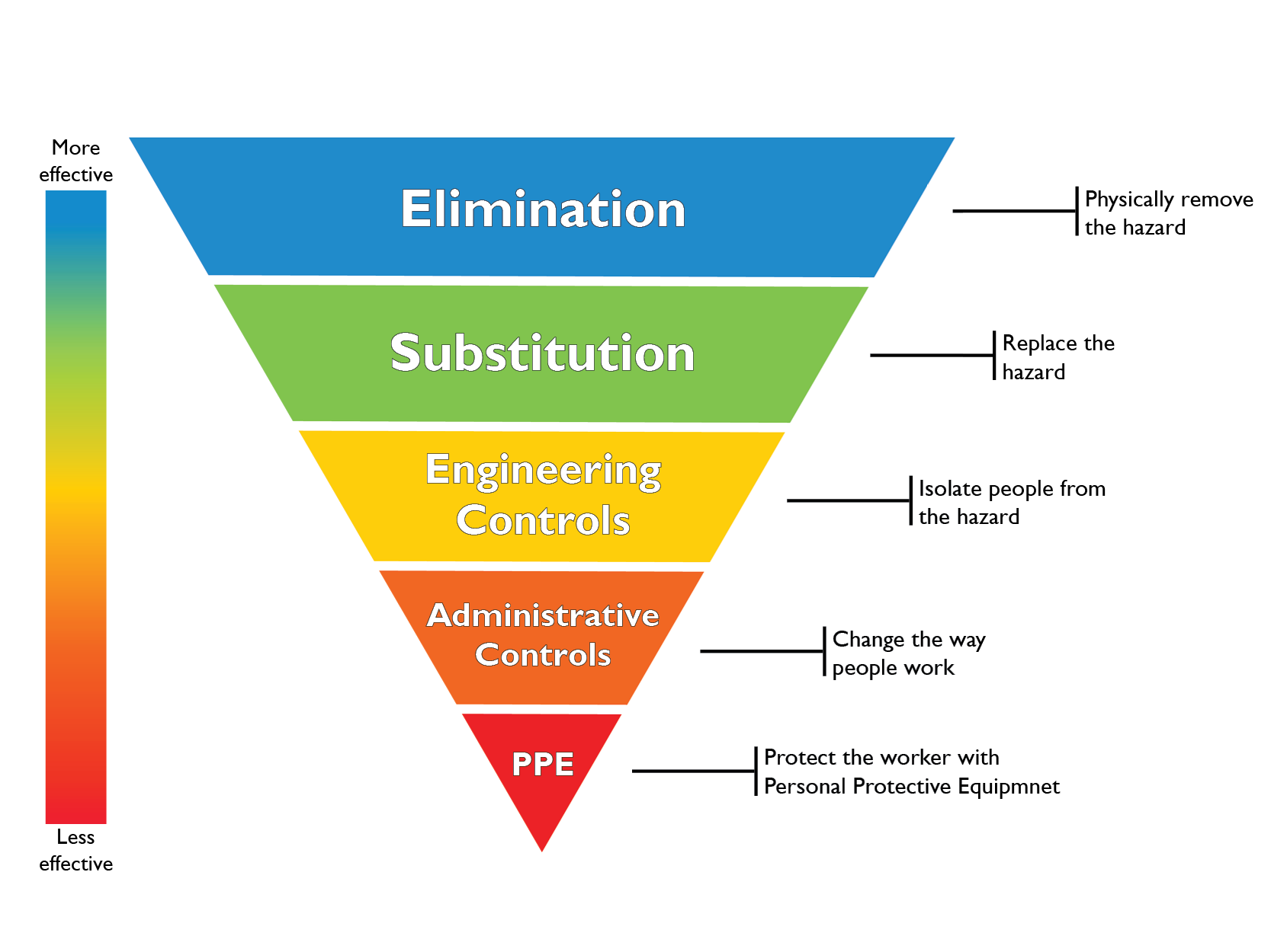

LIKELIHOOD OF EVENT HAPPENING | 5 | It is or has already happened | M | H | H | VH | VH
 | 4 | It will probably happen | M | M | H | VH | VH
 | 3 | It could possibly happen | L | M | M | H | H
 | 2 | It is unlikely to happen | L | L | M | M | H
 | 1 | It is very unlikely to happen | L | L | L | M | M
LIKELY OUTCOME OF EVENT | SAFETY |  | Near Miss | Minor Inquiry | Lost Time Accident | Major Inquiry | Fatality
 | ENVIRONMENT |  | Potential Event | Minor Event | Important Event | Significant Event | Major Event
 | COST |  | < $1 K | < $10 K | < $100 K | < $300 K | > $500 K
 | SEVERITY |  | 1 | 2 | 3 | 4 | 5

